Sheet1
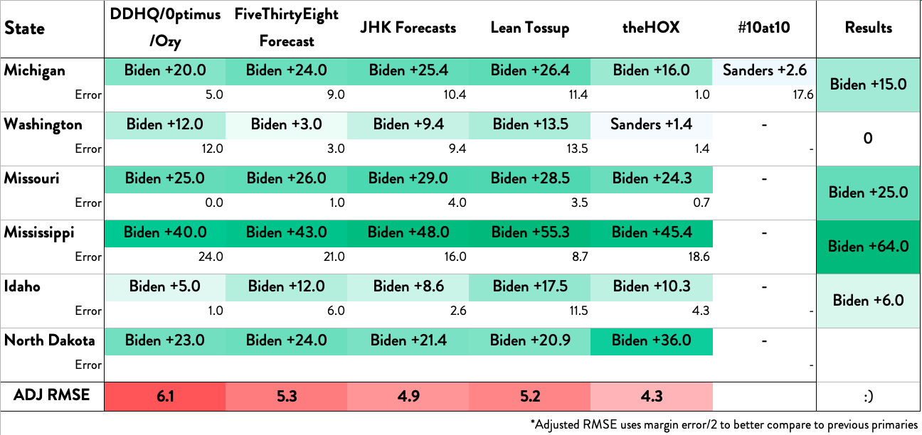
State | DDHQ/0ptimus/Ozy | FiveThirtyEight Forecast | JHK Forecasts | Lean Tossup | Results | 2
Arizona | Biden +26.0 | Biden +25.0 | Biden +23.0 | Biden +20.1 | Biden +12.4
Error | 13.6 | 12.6 | 10.6 | 7.7
Florida | Biden +39.2 | Biden +39.0 | Biden +46.0 | Biden +54.6 | Biden +38.8
Error | 0.4 | 0.2 | 7.2 | 15.8
Illinois | Biden +24.0 | Biden +36.0 | Biden +30.4 | Biden +19.0 | Biden +23.1
Error | 0.9 | 12.9 | 7.3 | 4.1
ADJ RMSE | 4.8 | 6.4 | 5.2 | 6.4 | :)
*Adjusted RMSE uses margin error/2 to better compare to previous primaries

